irisan target
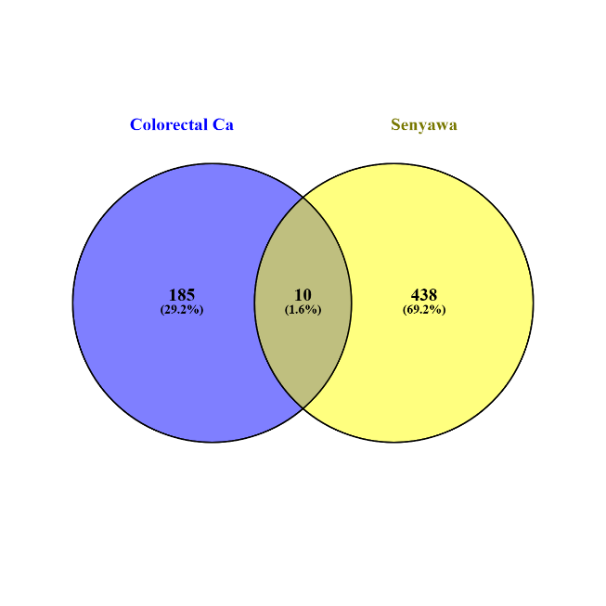
PARK7
MTOR
KDM1A
CNR2
FABP3
LCK
HDAC1
SLC2A1
SLC16A1
TRIM33

